Data Structures (I)
Main | Sub | Package | Notes | Link
Stack | functions |  | useful functions - empty() return bool of stack, if empty -> True O(1) - size(): return size of stack O(1) - top() / peek(): return top element of the stack O(1) - push(a): inserts element a at top stack O(1) - pop(): deletes top element of stack O(1) | https://www.geeksforgeeks.org/stack-in-python/
 | libraries |  | libraries - list - Collections.deque - queue.LifoQueue
 |  | list | list - append() instead of push: uses more memory if stack is larger than memory size
 |  | collections | collections eg. from collections import deque stack = deque() => init stack stack.append('a') stack.pop('a') => returns a stack => returns empty stack
 |  | queue | additional q functions - maxsize(): number of items allowed in the queue - full(): True if there are maxsize items in the queue - get(): Remove and return an item from the q, if empty, wait until there is one - get_nowait(): return an item if one avail, else raise QueueEmpty error - put(item): put item into q without blocking, if full wait for q to have a free slot - put_nowait: infer - qsize(): len q queue module eg. from queue import LifoQueue # to get Fifo use from queue import Queue stack = LifoQueue(maxsize =3) # set maxsize q of 3 stack.put('a') stack.full() # returns false stack.qsize() # returns 1 stack.get() # returns the one that last went in aka 'a'
Array | misc notes |  |  | https://www.geeksforgeeks.org/what-is-array/
 |  | dictionary sorting | k largest values in a dictionary called hashmap - sorted(hashmap.keys(), key = hashmap.get, reverse = True)[:k] - can be replaced by import heapq heapq.nlargest(k , hashmap.key, key = hashmap.get) | https://docs.python.org/3/library/heapq.html
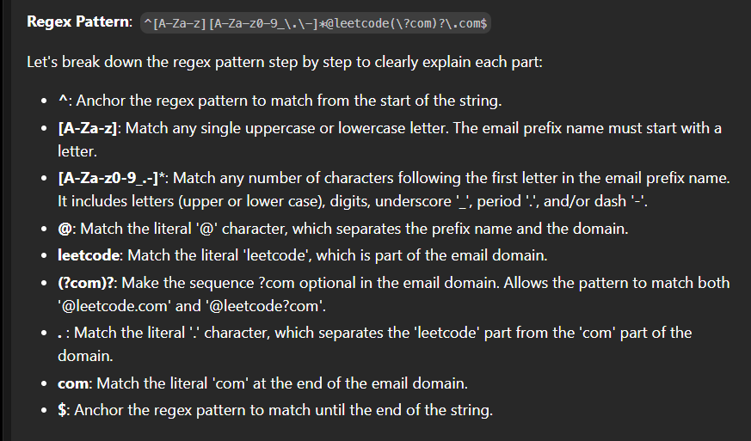
 |  | two pointers | naïve approach o(n^2) and o(1) space for I in range(n): for j in range(n): optimal approach <- two points converging (o(nlogn) time and o(1) space) I = 0 j = n - 1 # J will start from the end of the array while I < n: if list[i] + list[j] == X: return True elif list[i] + list[j] < X: i+=1 else: j -= 1 | https://www.geeksforgeeks.org/two-pointers-technique/
 |  | string techniques | regex and string manipulation import re re.sub(pattern, replacement, your_str) pattern tips => r'' to start pattern, [] for sets of values to be excl or incl input = 'aaaaa1' excluded: re.sub(r'[a-z]', '', input) => output = '1' included: re.sub(r'[^a-z]', '', input) => output = 'aaaa' | https://docs.python.org/3/library/re.html
 |  | sliding window technique | key notes - can only be used where size of window is fixed through the nested loop - array, string, subarray, substring, largest sum, max sum, min sum - time complexity: o(n) implementation if len(arr) < window_size: return -1 window _sum = sum(arr[:window_size]) max_sum = window_sum for i in range (len(arr)): window_sum = window_sum - arr[i] + arr[i+window_size] max_sum = max(window_sum, max_sum) how to implement - find size of the window - compute the result - use loop to slide window by 1 and calculate result window by window | https://www.geeksforgeeks.org/window-sliding-technique/

